Overview
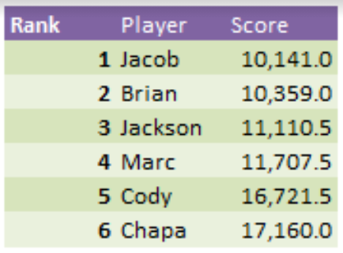
Player | Rank | Total Score | Pts. From 1st |  |  |  | Sum of Score | 1
Sam | 1 | 6,644 |  |  |  |  | Week | Brian | Chapa | Dario | Grant | Hollie | Ian | Jackson | Jacob | Logan | Marc | Mike G. | Mike M. | Moni | Sam | Spencer
Mike G. | 2 | 6,761 | 117 |  |  |  | Week 1 | -1,374 | -1,001 | 91 | 1,309 | 826 | 1,193 | 537 | -389 | 587 | 422 | 798 | 518 | 1,080 | 587 | -180
Logan | 3 | 6,846 | 202 |  |  |  | Week 2 | 822 | 1,196 | 1,048 | 634 | 658 | 950 | 865 | 752 | 435 | 1,226 | 232 | 628 | 1,114 | 732 | 473
Jacob | 4 | 7,020 | 376 |  |  |  | Week 3 | 274 | 86 | 255 | 289 | 83 | 442 | 505 | -61 | 955 | 694 | 512 | 896 | 881 | 150 | 687
Spencer | 5 | 7,077 | 433 |  |  |  | Week 4 | 71 | 326 | 360 | 94 | 522 | 1,123 | 405 | 120 | -89 | -6 | 451 | 593 | 643 | 363 | 328
Hollie | 6 | 7,659 | 1,015 |  |  |  | Week 5 | 353 | 779 | 351 | 959 | 613 | 294 | 313 | 553 | 130 | 658 | 803 | -435 | 460 | 185 | 499
Brian | 7 | 8,736 | 2,092 |  |  |  | Week 6 | 823 | 608 | 709 | 474 | 49 | 893 | -21 | 552 | 353 | 717 | -165 | 287 | 744 | 299 | 70
Jackson | 8 | 9,409 | 2,765 |  |  |  | Week 7 | 645 | 865 | 790 | 662 | 906 | 467 | 311 | 513 | 360 | 908 | -122 | 554 | 613 | -22 | 610
Dario | 9 | 11,155 | 4,511 |  |  |  | Week 8 | 174 | -18 | 658 | -492 | 350 | 1,147 | 838 | 209 | -217 | 338 | 46 | 986 | 274 | -167 | 437
Marc | 10 | 12,921 | 6,277 |  |  |  | Week 9 | 651 | 725 | 945 | 729 | 406 | 1,600 | 272 | 392 | 655 | 296 | 340 | 474 | 837 | 588 | 345
Moni | 11 | 13,183 | 6,539 |  |  |  | Week 10 | 584 | 1,035 | 1,413 | 317 | 533 | 1,600 | 398 | 324 | 232 | 946 | 147 | 1,600 | 920 | 272 | -122
Chapa | 12 | 13,924 | 7,280 |  |  |  | Week 11 | 471 | 593 | 313 | 1,600 | 378 | 1,600 | 854 | 273 | 485 | 508 | 94 | 1,600 | 593 | 455 | 576
Grant | 13 | 16,175 | 9,531 |  |  |  | Week 12 | 323 | 730 | 735 | 1,600 | 369 | 1,600 | 400 | 320 | 438 | 885 | 898 | 1,600 | 1,218 | 620 | 451
Mike M. | 14 | 16,951 | 10,307 |  |  |  | Week 13 | 917 | 1,600 | 55 | 1,600 | -368 | 1,600 | -230 | 254 | 346 | 875 | 154 | 1,250 | 983 | -73 | 419
Ian | 15 | 20,909 | 14,265 |  |  |  | Week 14 | 744 | 1,600 | 144 | 1,600 | 151 | 1,600 | 780 | 883 | 406 | 625 | 266 | 1,600 | 900 | 346 | -66
 |  |  |  |  |  |  | Week 15 | 868 | 1,600 | 898 | 1,600 | 484 | 1,600 | 942 | 1,001 | 540 | 1,600 | 746 | 1,600 | 619 | 464 | 1,193
 |  |  |  |  |  |  | Week 16 | 790 | 1,600 | 1,129 | 1,600 | 974 | 1,600 | 1,166 | 790 | 398 | 1,224 | 1,020 | 1,600 | 790 | 1,020 | 790
 |  |  |  |  |  |  | Bowls | 1,600 | 1,600 | 1,261 | 1,600 | 725 | 1,600 | 1,074 | 534 | 832 | 1,005 | 541 | 1,600 | 514 | 825 | 567
 |  |  |  |  |  |  | Total | 8,736 | 13,924 | 11,155 | 16,175 | 7,659 | 20,909 | 9,409 | 7,020 | 6,846 | 12,921 | 6,761 | 16,951 | 13,183 | 6,644 | 7,077
Player | Jacob |  |  |  |  |  | Week | (All)

% of Total Score
Sum of Score | 1 |  |  |  |  |  | Role | % of Score
Week | Passing | Rushing | Receiving | Defensive | Total |  | Passing | 17.73%
Week 1 | -8 | -734 | 28 | 325 | -389 |  | Rushing | 17.09%
Week 2 | 205 | 314 | 258 | -25 | 752 |  | Receiving | 33.79%
Week 3 | -43 | -146 | 228 | -100 | -61 |  | Defensive | 31.38%
Week 4 | -49 | 138 | 306 | -275 | 120
Week 5 | 32 | 182 | 264 | 75 | 553
Week 6 | 99 | 150 | 78 | 225 | 552
Week 7 | 150 | 126 | 112 | 125 | 513
Week 8 | 1 | 100 | 58 | 50 | 209
Week 9 | -34 | -120 | 246 | 300 | 392
Week 10 | 68 | -206 | 312 | 150 | 324
Week 11 | -31 | 2 | 102 | 200 | 273
Week 12 | 129 | 24 | 192 | -25 | 320
Week 13 | 10 | -266 | 310 | 200 | 254
Week 14 | 227 | 206 | 400 | 50 | 883
Week 15 | 18 | 400 | 358 | 225 | 1,001
Week 16 | 133 | 236 | 196 | 225 | 790
Bowls | -10 | -100 | 394 | 250 | 534
Total | 897 | 306 | 3,842 | 1,975 | 7,020
Weekly Scores

Previous Results
2017 |  |  | 2019 |  |  | 2022 |  |  | 2023
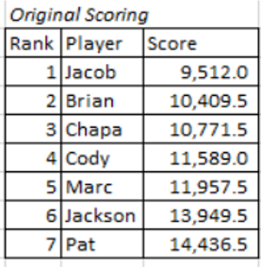
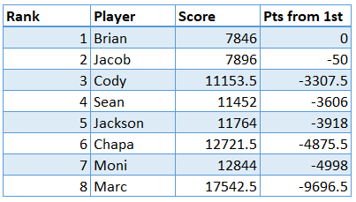
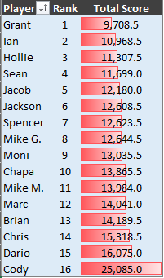
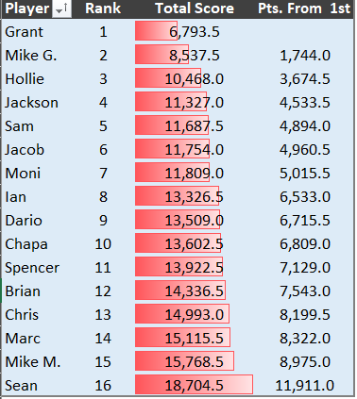

2018 |  |  | 2021

By Week
Player | Week 1 | Week 2 | Week 3 | Week 4 | Week 5 | Week 6 | Week 7 | Week 8 | Week 9 | Week 10 | Week 11 | Week 12 | Week 13 | Week 14 | Week 15 | Week 16 | Bowls
Brian | 1 | 1 | 1 | 1 | 1 | 1 | 1 | 1 | 1 | 3 | 4 | 2 | 6 | 7 | 7 | 7 | 7
Chapa | 2 | 2 | 2 | 3 | 3 | 4 | 7 | 6 | 7 | 8 | 7 | 9 | 10 | 11 | 11 | 11 | 12
Dario | 5 | 7 | 5 | 5 | 7 | 11 | 10 | 12 | 12 | 13 | 12 | 10 | 9 | 9 | 9 | 9 | 9
Grant | 15 | 13 | 12 | 11 | 13 | 13 | 12 | 9 | 11 | 10 | 10 | 12 | 12 | 13 | 13 | 13 | 13
Hollie | 12 | 11 | 8 | 9 | 10 | 10 | 11 | 10 | 9 | 9 | 9 | 8 | 7 | 6 | 6 | 6 | 6
Ian | 14 | 14 | 14 | 14 | 14 | 14 | 14 | 15 | 15 | 15 | 15 | 15 | 15 | 15 | 15 | 15 | 15
Jackson | 8 | 10 | 9 | 10 | 9 | 8 | 8 | 8 | 8 | 7 | 8 | 7 | 8 | 8 | 8 | 8 | 8
Jacob | 3 | 4 | 3 | 2 | 2 | 2 | 2 | 3 | 2 | 1 | 2 | 1 | 1 | 4 | 4 | 4 | 4
Logan | 10 | 5 | 10 | 7 | 6 | 6 | 6 | 4 | 5 | 6 | 6 | 6 | 5 | 5 | 3 | 2 | 3
Marc | 6 | 12 | 13 | 12 | 12 | 12 | 13 | 13 | 13 | 12 | 11 | 11 | 11 | 10 | 10 | 10 | 10
Mike G. | 11 | 6 | 7 | 8 | 11 | 9 | 5 | 5 | 4 | 4 | 1 | 3 | 3 | 2 | 2 | 3 | 2
Mike M. | 7 | 8 | 11 | 13 | 8 | 7 | 9 | 11 | 10 | 11 | 13 | 13 | 14 | 14 | 14 | 14 | 14
Moni | 13 | 15 | 15 | 15 | 15 | 15 | 15 | 14 | 14 | 14 | 14 | 14 | 13 | 12 | 12 | 12 | 11
Sam | 9 | 9 | 6 | 6 | 5 | 5 | 3 | 2 | 3 | 2 | 3 | 4 | 2 | 1 | 1 | 1 | 1
Spencer | 4 | 3 | 4 | 4 | 4 | 3 | 4 | 7 | 6 | 5 | 5 | 5 | 4 | 3 | 5 | 5 | 5
Rankings by Week

